Hiearchy View
Class: PLUMBING FIXTURE
device or vessel that is permanently or temporarily installed in a commercial facility, residence, hospital, school etc. |  | 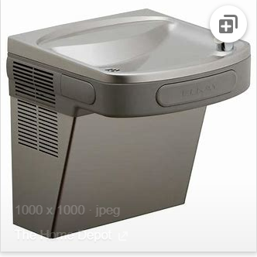
REMOVE | N

PROBLEM_DESC | CAUSE_DESC | REMEDY_DESC
BROKEN/DAMAGED
LEAKING
NOISE
OTHER PROBLEM
POWER-ELEC
PRESSURE
SMELL
STOPPED/SLOWED/POOR OPS
TEMP-CTRL
VIBRATION
Grand Total

